Hướng dẫn
CÁCH LẤY DỮ LIỆU GIÁ Bản quyền file thuộc Viện Nghiên cứu Phát triển Công nghệ Ngân hàng ĐHQG-HCM Mọi chi tiết xin liên hệ: ngancnt@uel.edu.vn

 |  | Lưu ý: - Bạn phải chắc chắn Trên menu Viện Nghiên cứu Phát triển Công nghệ Ngân hàng ĐHQG-HCM file excel phải hiện chữ: Online. Nếu offline cần nhấp mở online lên. - File này chỉ chạy trên máy CÓ CÀI ĐẶT PHẦN MỀM Refinitiv TẠI Viện Nghiên cứu Phát triển Công nghệ Ngân hàng ĐHQG-HCM
I. LẤY DANH SÁCH HÀNG LOẠT CÔNG TY
 |  |  |  | Sheet Tong quan | A4
 | - Bước 1: vào sheet Tổng quan chọn ô a4 như hình
 | - Bước 2: Trên menu chính file excel chọn tab Thomson Reuters -> Screener
 | - Bước 3: TÙY CHỈNH LỌC DANH SÁCH CÔNG TY (CHÚ Ý chờ dữ liệu trong Screener hiện lên hẳn GIỐNG HÌNH DƯỚI )và chỉnh tùy chọn các điều kiện về các công ty bạn cần lấy ở cột bên trái màn hình (nước nào, sàn nào, ngành gì…)
 | - Bước 4: thêm điều kiện kèm theo về công ty nếu có. Ví dụ doanh số 2018, Market Cap tại thời điểm xuất, website, năm niêm yết. CÓ THỂ BỎ QUA BƯỚC NÀY NẾU BẠN ĐÃ HÀI LÒNG VỚI BƯỚC BA
 | - Bước 5: BẤM Insert screen
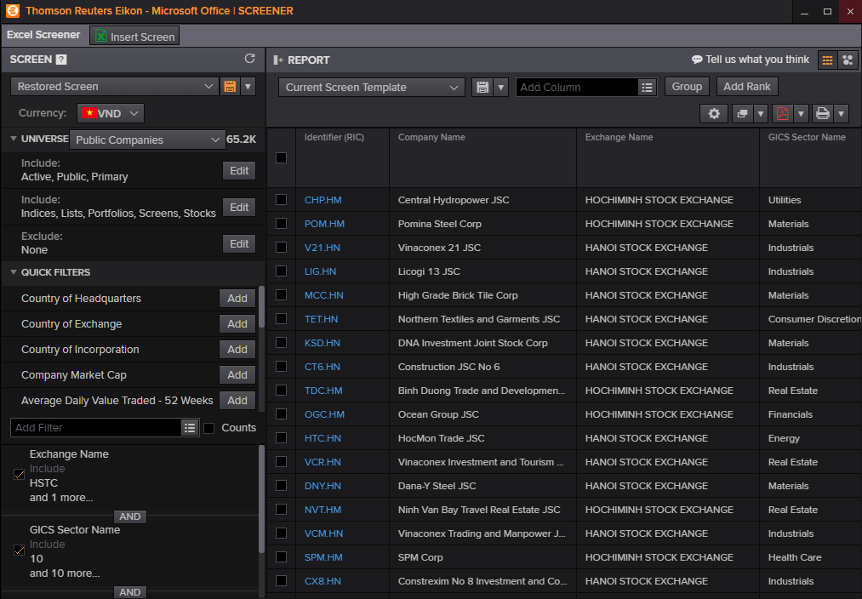
B5

B4

B3

II. LẤY GIÁ CHỨNG KHOÁN
Bước 1: Phải chắc chắn bạn đã hoàn thành phần I
Bước 2: | Vào sheet chứng khoán điều chỉnh loại cập nhật giá theo hướng dẫn. Ví dụ theo ngày: Gõ 1D
Bước 3: copy Value phần giá chứng khoán thu được vào file trống excel khác nhằm tránh thất thoát dữ liệu

 | III. LẤY GIÁ CHỨNG KHOÁN VÀ LƯỢNG
 | - Bước 1: vào sheet Gía chứng khoán với khối lượng -> chọn ô A1 -> tab Thomson Reuters -> Build Formula
 | - Bước 2: chọn ô Time series và chọn mức theo thời gian cần lấy

 |  | Yearly | 1Y
 |  | Month | 1MO
 |  | Daily | 1D

